Wind
References: ASCE 7-10
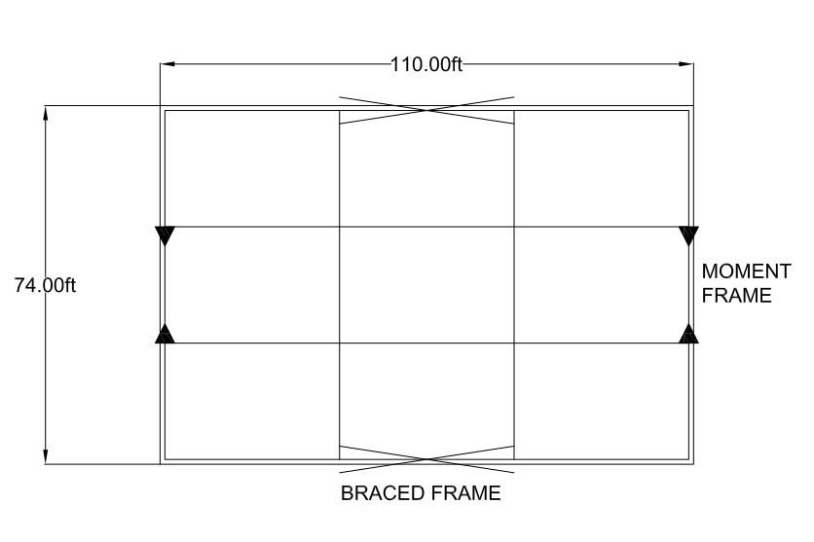

Building Length, L | 110 | ft
Building Width, W | 74 | ft
Ground Surface Roughness Category | B |  | Section 26.7.2
Floor-Floor Height | 15 | ft
Mean Roof Height, Hroof | 30 | ft
Exposure Category | C
V | 120 | mph | Fig. 26.5-1A
Zone A Ps30 | 22.8 | psf | Fig. 28.6-1
Zone C Ps30 | 15.1 | psf | Fig. 28.6-1
a1 | 7.4 | ft | .1*W
a2 | 12 | ft | .4*Hroof
a | 7.4 | ft | Min Value
2*a | 14.8 | ft

Calculate weighted average for Ps30
Longitudinal Ps30 | 16.14 | psf
Transverse Ps30 | 16.64 | psf

Calculate design wind pressure
Adjustment Factor, l | 1.4 |  | Fig. 28.6-1
Kzt | 1.0 |  | Section 26.8
Design wind pressure, Ps-longitudinal | 22.59 | psf
Design wind pressure, Ps-transverse | 23.30 | psf

Calculate load applied to each level
Roof Fu-longitudinal | 12.54 | kips
Roof Fu-transverse | 19.22 | kips
Level 1 Fu-longitudinal | 25.08 | kips
Level 1 Fu-transverse | 38.44 | kips

Determine forces applied to braces & moment frame
# of braces/level | 2
# of moment frames/level | 2
Fbraced frame-roof | 6.27 | kips
Fmoment frame-roof | 9.61 | kips
Fbraced frame-level 1 | 12.54 | kips
Fmoment frame-level 1 | 19.22 | kips

Moment Frame-Wind
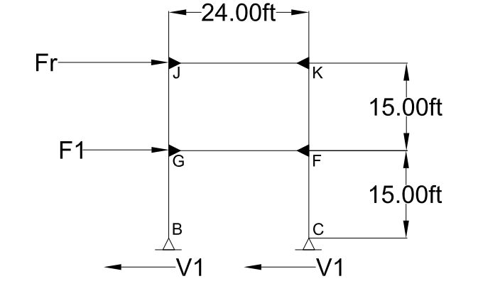

Story Height, H | 15 | ft
Bay Width, W | 24 | ft
Fr | 9.61
F1 | 19.22

Section 1
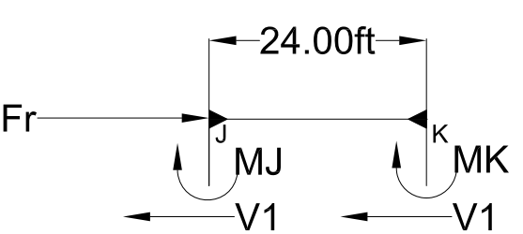

Compute Shear Forces
åFx=0
Fr | 9.61 | kips
# of shear forces | 2
V1 | 4.80 | kips

Compute moments at top of columns
MJG | 36.04 | kip*ft
MKF | 36.04 | kip*ft

Isolate Joints
Joint J |  |  |  |  | Member J-K |  |  |  | Joint K
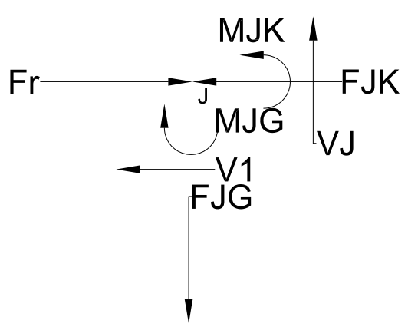
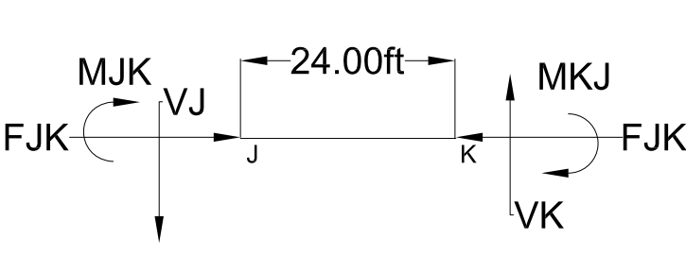
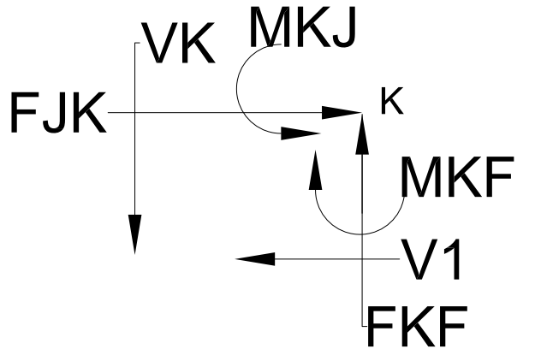

MJK | 36.04 | kip*ft |  |  |  |  |  |  | MKJ | 36.04 | kip*ft
FJK | 4.80 | kips | C | åFx=0 |  |  |  |  | FJK | 4.80 | kips | C | åFx=0
VJ | 3.00 | kips |  | åM/W |  |  |  |  | VK | 3.00 | kips
FJG | 3.00 | kips | T | åFy=0 |  |  |  |  | FKF | 3.00 | kips | C | åFy=0
 |  |  |  |  |  |  |  |  | MKF | 36.04 | kips

Section 2
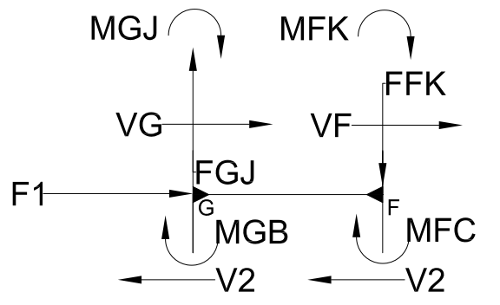

Isolate Joints

Joint G |  |  |  |  | Member G-F | Joint F
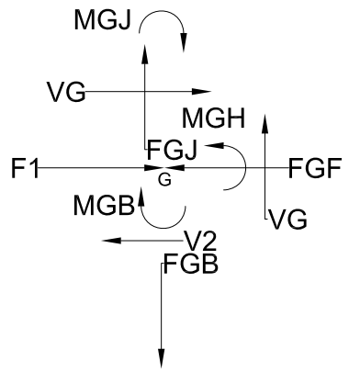
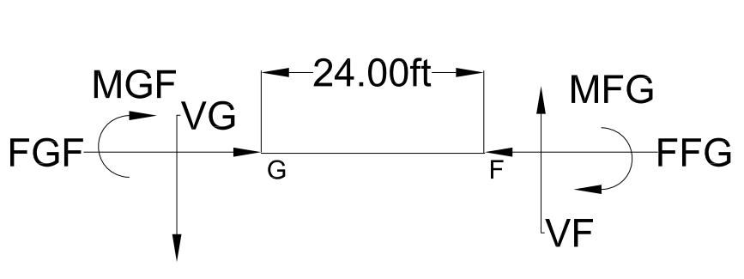
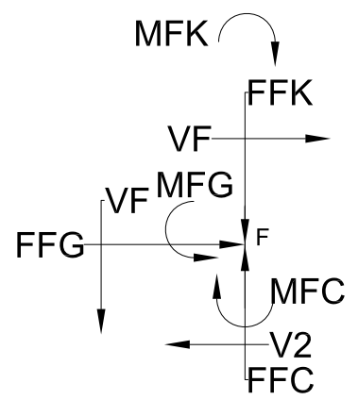

V2 | 14.41 | kips |  | (F1+FR)/2 |  | V2 | 14.41 | kips |  | (F1+FR)/2
FGJ | 3.00 | kips | T | FJG |  | FFK | 3.00 | kips | T | FKF
MGB | 108.108 | kip*ft |  | V2*H/2 |  | MFC | 108.108 | kip*ft |  | V2*H/2
MGJ | 36.04 | kip*ft |  | (MJG) |  | MFK | 36.04 | kip*ft |  | MKF
FGJ | 3.00 | kips |  | (FJG) |  | FFK | 3.00 | kips |  | FKF
FGF | 4.80 | kips | C | åFx=0 |  | FFG | 4.80 | kips | C | FGF
MGF | 144.14 | kip*ft |  | åM |  | MFG | 144.14 | kip*ft |  | åM
VG | 12.012 | kips |  | åM/W |  | VG | 12.012 | kips |  | åM/W
FGB | 15.02 | kips |  | åFy=0 |  | FFC | 15.02 | kips |  | åFy=0

Summary
Columns
 | M |  | P
BG | 108.11 | kip*ft | 15.02 | kips | T
GJ | 36.04 | kip*ft | 3.00 | kips | T
CF | 108.108 | kip*ft | 15.02 | kips | C
KF | 36.04 | kip*ft | 3.00 | kips | C
Beams
 | M |  | P
JK | 36.04 | kip*ft | 4.80 | kips | C
GF | 144.14 | kip*ft | 4.80 | kips | C

Braced Frame-Wind
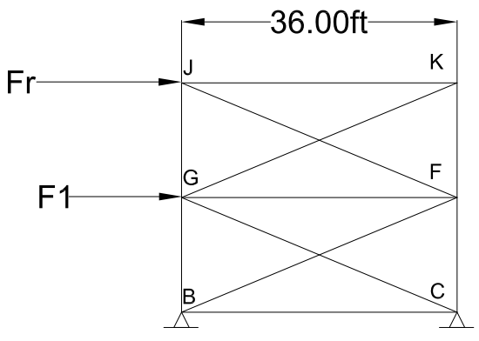

Story Height, H | 15 | ft
Bay Width, W | 36 | ft
Fr | 9.61 | kips
F1 | 19.22 | kips

Reactions
RC | 16.02 | kips | UP
RB | 16.02 | kips | DOWN

Joint B |  |  |  |  | Joint C
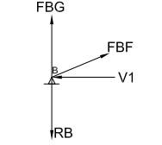
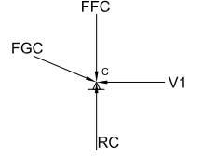

V1 | 14.41 | kips | (Fr+F1)/2 |  | V1 | 14.41 | kips
FBFy | 6.01 | kips |  |  | FGCy | 6.01 | kips | C
FBF | 15.62 | kips | T |  | FGC | 15.62 | kips | C
FBG | 10.01 | kips | T | åFy=0 | FFC | 10.01 | kips | C | åFy=0

F_{GJ}
Joint G |  |  |  |  |  | Joint F
F_{KF}
F_{GK}
F_{FJ}

F₁
F_{FG}
F_{GF}

F_{GC}
F_{BF}
F_{FC}
F_{BG}

 |  | 3 unknowns
åFx=0 | FGJ | 5.53 | kips | T | åFx=0 | FFJ | 14.43 | kips | C
åFy=0 | FGK | 4 | kips | C
åMF=0 | FGF | 1.1 | kips | C

Summary
BF | 15.62 | kips | T
CG | 15.62 | kips | C
GK | 4.00 | kips | C
FJ | 14.43 | kips | C

Braced Frame-Seismic
Story Height, H | 15 | ft
Bay Width, W | 36 | ft
Fr | 4.31 | kips
F1 | 16.82 | kips

Reactions
RC | 10.60 | kips | UP
RB | 10.60 | kips | DOWN

Joint B |  |  |  |  | Joint C

V1 | 10.57 | kips | (Fr+F1)/2 |  | V1 | 10.57 | kips
FBFy | 4.40 | kips |  |  | FGCy | 4.40 | kips | C
FBF | 11.45 | kips | T |  | FGC | 11.45 | kips | C
FBG | 6.20 | kips | T | åFy=0 | FFC | 6.20 | kips | C | åFy=0

F_{GJ}
Joint G |  |  |  |  |  | Joint F
F_{KF}
F_{GK}
F_{FJ}

F₁
F_{FG}
F_{GF}

F_{GC}
F_{BF}
F_{FC}
F_{BG}

 |  | 3 unknowns
åFx=0 | FGJ | 6 | kips | T | åFx=0 | FFJ | 16.62 | kips | C
åFy=0 | FGK | 11 | kips | C
åMF=0 | FGF | 3.9 | kips | T

Summary
BF | 11.45 | kips | T
CG | 11.45 | kips | C
GK | 11.00 | kips | C
FJ | 16.62 | kips | C

